ChainLadder
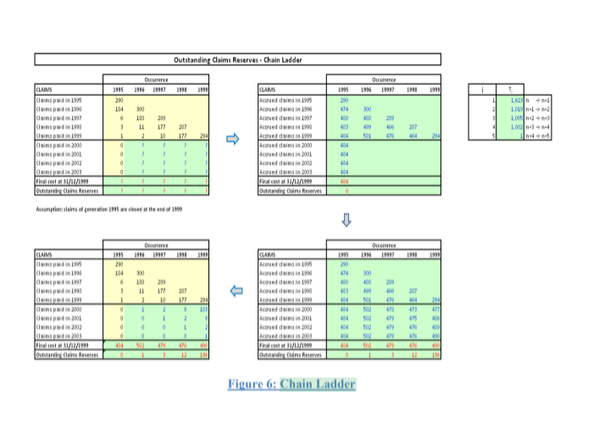
Outstanding Claims Reserves - Chain Ladder

 | Occurrence |  |  |  |  |  | Occurrence
CLAIMS | 1995 | 1996 | 19997 | 1998 | 1999 | CLAIMS | 1995 | 1996 | 19997 | 1998 | 1999 |  | j | Tj
Claims paid in 1995 | 290 |  |  |  |  | Accrued claims in 1995 | 290 |  |  |  |  |  | 1 | 1.623 | n → n+1
Claims paid in 1996 | 184 | 300 |  |  |  | Accrued claims in 1996 | 474 | 300 |  |  |  |  | 2 | 1.019 | n+1 → n+2
Claims paid in 1997 | 6 | 188 | 289 |  |  | Accrued claims in 1997 | 480 | 488 | 289 |  |  |  | 3 | 1.005 | n+2 → n+3
Claims paid in 1998 | 3 | 11 | 177 | 287 |  | Accrued claims in 1998 | 483 | 499 | 466 | 287 |  |  | 4 | 1.002 | n+3 → n+4
Claims paid in 1999 | 1 | 2 | 10 | 177 | 294 | Accrued claims in 1999 | 484 | 501 | 476 | 464 | 294 |  | 5 | 1 | n+4 → n+5
Claims paid in 2000 | 0 | ? | ? | ? | ? | Accrued claims in 2000 | 484 |  |  |  |  |  |  | 1
Claims paid in 2001 | 0 | ? | ? | ? | ? | Accrued claims in 2001 | 484 |  |  |  |  |  |  | 1
Claims paid in 2002 | 0 | ? | ? | ? | ? | Accrued claims in 2002 | 484 |  |  |  |  |  |  | 1
Claims paid in 2003 | 0 | ? | ? | ? | ? | Accrued claims in 2003 | 484 |  |  |  |  |  |  | 1
Final cost at 31/12/1999 | ? | ? | ? | ? | ? | Final cost at 31/12/1999 | 484
Outstanding Claims Reserves | ? | ? | ? | ? | ? | Outstanding Claims Reserves

Assumption: claims of generation 1995 are closed at the end of 1999

 | Occurrence |  |  |  |  |  | Occurrence
CLAIMS | 1995 | 1996 | 19997 | 1998 | 1999 | CLAIMS | 1995 | 1996 | 19997 | 1998 | 1999
Claims paid in 1995 | 290 |  |  |  |  | Accrued claims in 1995 | 290
Claims paid in 1996 | 184 | 300 |  |  |  | Accrued claims in 1996 | 474 | 300
Claims paid in 1997 | 6 | 188 | 289 |  |  | Accrued claims in 1997 | 480 | 488 | 289
Claims paid in 1998 | 3 | 11 | 177 | 287 |  | Accrued claims in 1998 | 483 | 499 | 466 | 287
Claims paid in 1999 | 1 | 2 | 10 | 177 | 294 | Accrued claims in 1999 | 484 | 501 | 476 | 464 | 294 |  |  |  |  | 1.0371900826 | 502
Claims paid in 2000 | 0 | 1 | 2 | 9 | 183 | Accrued claims in 2000 | 484 | 502 | 478 | 473 | 477
Claims paid in 2001 | 0 | 0 | 1 | 2 | 9 | Accrued claims in 2001 | 484 | 502 | 479 | 475 | 486
Claims paid in 2002 | 0 | 0 | 0 | 1 | 2 | Accrued claims in 2002 | 484 | 502 | 479 | 476 | 489
Claims paid in 2003 | 0 | 0 | 0 | 0 | 1 | Accrued claims in 2003 | 484 | 502 | 479 | 476 | 490
Final cost at 31/12/1999 | 484 | 502 | 479 | 476 | 490 | Final cost at 31/12/1999 | 484 | 502 | 479 | 476 | 490
Outstanding Claims Reserves | 0 | 1 | 3 | 12 | 196 | Outstanding Claims Reserves | 0 | 1 | 3 | 12 | 196

 | Xi,j |  |  |  |  | Check | Tj
 | i |  |  |  |  | Tj doesn't depend on i | i
 | 1 | 2 | 3 | 4 | 5 |  | 1 | 2 | 3 | 4 | 5
 | 290 | 0 | 0 | 0 | 0 |  |  |  |  |  | 1.623
 | 474 | 300 | 0 | 0 | 0 | TRUE |  |  |  | 1.019 | 1.019 |  |  |  | 0
 | 480 | 488 | 289 | 0 | 0 | TRUE |  |  | 1.005 | 1.005 | 1.005 |  |  | 0 | 0
 | 483 | 499 | 466 | 287 | 0 | TRUE |  | 1.002 | 1.002 | 1.002 | 1.002 |  | 0 | 0 | 0
 | 484 | 501 | 476 | 464 | 294 | TRUE | 1.000 | 1.000 | 1.000 | 1.000 |  | 0 | 0 | 0
 | 484 | 502 | 478 | 473 | 477 | TRUE | 1.000 | 1.000 | 1.000 |  |  | 0 | 0
 | 484 | 502 | 479 | 475 | 486 | TRUE | 1.000 | 1.000 |  |  |  | 0
 | 484 | 502 | 479 | 476 | 489 |  | 1.000
 | 484 | 502 | 479 | 476 | 490

